Data
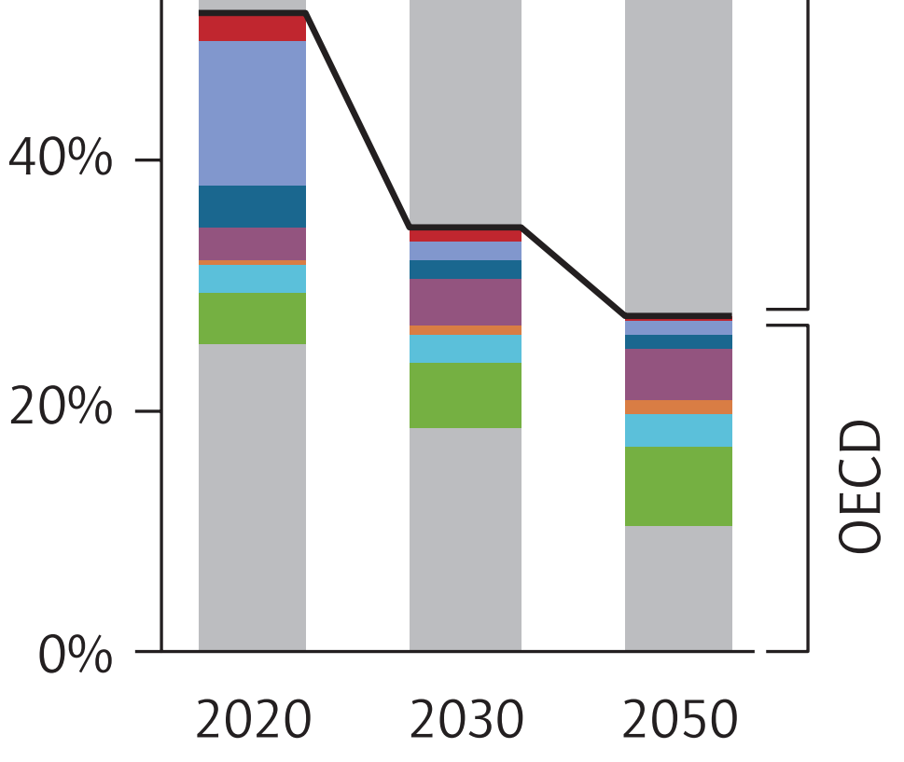
About: | This is a portion of Figure 4 on Page 22. It shows the breakdown of CCS by industry within the OECD.
 | The report only has this information as a graph, not in numbers. Fortunately, the graph is vector-based, so it is
 | possible to zoom in substantially, take a screenshot, and measure using a pixel ruler program.
 | See key to the colors and measurement results below.

 |  | Read from figure |  | Excluding Power Sector |  | Mapped onto model industry categories
 |  | Pixels | Pixels | Pixels | Pixels |  | Pixels | Pixels | % | %
 |  | 2020 | 2030 | 2020 | 2030 |  | 2020 | 2030 | 2020 | 2030
 | Refining (red) | 27 | 12 | 27 | 12 | cement and other carbonates | 5 | 10 | 1.9% | 10.9%
 | Gas processing (light blue) | 155 | 18 | 155 | 18 | natural gas and petroleum systems | 182 | 30 | 68.7% | 32.6%
 | Chemicals (dark blue) | 46 | 21 | 46 | 21 | iron and steel | 32 | 31 | 12.1% | 33.7%
 | Gas power (purple) | 36 | 49 |  |  | chemicals | 46 | 21 | 17.4% | 22.8%
 | Cement (orange) | 5 | 10 | 5 | 10 | mining | 0 | 0 | 0.0% | 0.0%
 | Iron and steel (turquoise) | 32 | 31 | 32 | 31 | waste management | 0 | 0 | 0.0% | 0.0%
 | Bioenergy (green) | 53 | 69 |  |  | other industries | 0 | 0 | 0.0% | 0.0%
 | Coal power (gray) | 328 | 238

 |  |  |  |  |  | By Model Sector
 |  |  |  |  |  |  | Pixels | Pixels | % | %
 |  |  |  |  |  |  | 2020 | 2030 | 2020 | 2030
 |  |  |  |  |  | electricity sector | 417 | 356 | 64.2% | 85.4%
 |  |  |  |  |  | industry sector | 233 | 61 | 35.8% | 14.6%

 |  |  |  |  |  | Mapped onto model electricity source categories
 |  |  |  |  |  |  | Pixels | Pixels | % | %
 |  |  |  |  |  |  | 2020 | 2030 | 2020 | 2030
 |  |  |  |  |  | coal | 328 | 238 | 78.7% | 66.9%
 |  |  |  |  |  | natural gas | 36 | 49 | 8.6% | 13.8%
 |  |  |  |  |  | biomass | 53 | 69 | 12.7% | 19.4%

